Solution 4
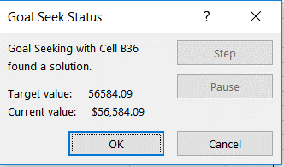
Demand | 3000 |  | Days/Year | 250
Ordering cost | $40.00 |  | Daily Demand | 12
Holding cost for < 100 lbs | $5.00 |  | Days Order Lasts | 18.257418584
Holding cost for 100 to 1000 lbs | $4.75 |  | Inventory Turns | 13.693063938
Holding cost for 1001-5000 lbs | $4.50
Holding cost for > 5000 lbs | $4.38 |  | Goal Seek Value | $15.55
Base price for material < 100 lbs | $20.00
Base price for material 100 to 1000 lbs | $19.00
Base price for material 1001-5000 lbs | $18.00 |  |  | OK
Base price for material > 5000 lbs | $17.50
EOQ for Quantity range < 100 | 219.089023

AOC(Annual Ordering Cost) | $547.72 | EOQ
ACC (Annual Varrying Cost) | $547.72 |  |  | To get to minimum TAC value of $56584 for a order quantity of 5100, we should have the base price per pound to be set as 15.55
AAC(Annual Acquisition Cost) | $60,000.00
TAC | $61,095.45

AOC | $1,200.00 | 100
ACC | $237.50
AAC | $57,000.00
TAC | $58,437.50

AOC | $120.00 | 1000 |  | Considering the quantity of 1000 lbs to fall under the range with base price of $19 and the supplier delivers the inventory in multiples of 100
ACC | $2,500.00
AAC | $57,000.00
TAC | $59,620.00

AOC | $109.09 | 1100
ACC | $2,475.00
AAC | $54,000.00
TAC | $56,584.09

AOC | $23.53 | 5100
ACC | $11,156.25
AAC | $52,500.00
TAC | $63,679.78

